NPV Frequency Chart
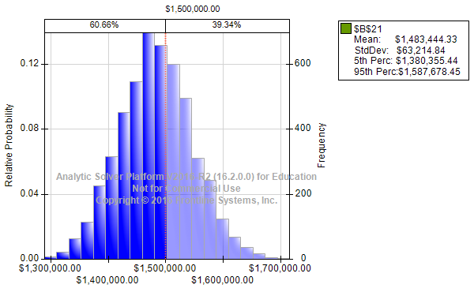

There is a 39.34% chance that the net present value of this investment equals or exceeds $1.5 million

Sensitivity Chart
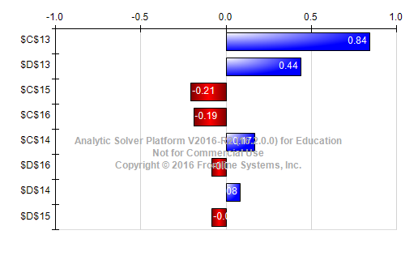

Sales volume in years 2 and 3 have the largest correlations with NPV.
It would be important to have very good estimates of the sales volume
in order to have a good estimate of the net present value of the investment.

Overlay Chart
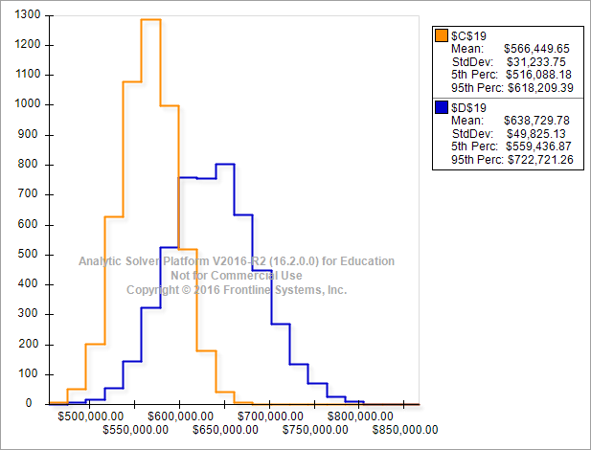

The distribution of profits in year 2 (orange) has a smaller mean than the distribution of profits in year 3 (blue).
However, the variance of profits in year 3 is larger than the variance in year 2. This is reasonable, given that
there is more uncertainty in predicting profits farther in the future.

Trend Chart
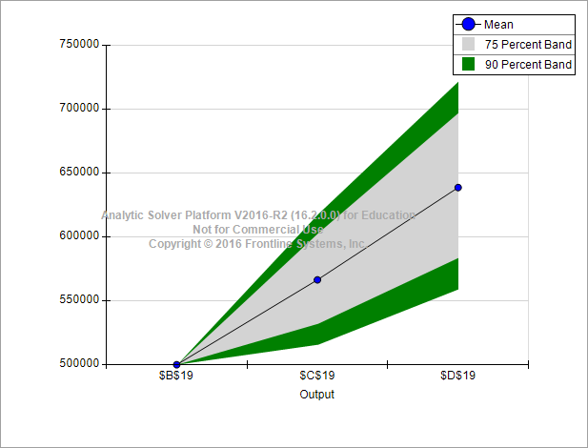

The trend chart shows that the growth of the uncertainty in the actual future profit.
The positive trend indicates that the increase in revenues is larger than the increase in costs.

